Production
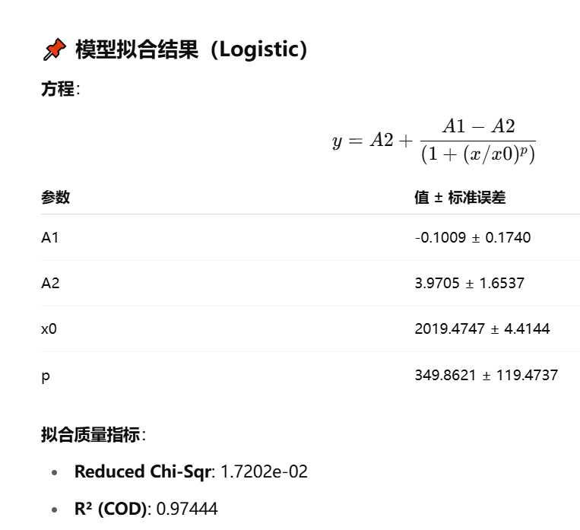
 |  | 时间 | 鲍鱼（万吨）
年份 | 韩国未来鲍鱼总产量（吨） | 2000 | 0.002
2020 | 20059 | 2001 | 0.0029
2021 | 23199.49 | 2002 | 0.0085
2022 | 22078.34 | 2003 | 0.1065
2023 | 25373.299267 | 2004 | 0.126
2024 | 26935.156235 | 2005 | 0.2062
2025 | 28399.04769 | 2006 | 0.305
2026 | 29754.240899 | 2007 | 0.435
2027 | 30994.525206 | 2008 | 0.5146
2028 | 32117.821835 | 2009 | 0.6207
2029 | 33125.573954 | 2010 | 0.6228
2030 | 34022.024682 | 2011 | 0.6779
2031 | 34813.475938 | 2012 | 0.6564
2032 | 35507.597012 | 2013 | 0.7479
2033 | 36112.825668 | 2014 | 0.8977
2034 | 36637.881646 | 2015 | 1.009
2035 | 37091.394944 | 2016 | 1.2343
2036 | 37481.639841 | 2017 | 1.6027
2037 | 37816.35941 | 2018 | 2.005
2038 | 38102.663045 | 2019 | 1.8436
2039 | 38346.979897 | 2020 | 2.0059
2040 | 38555.052979 | 2021 | 2.319949
2041 | 38731.961258 | 2022 | 2.207834
2042 | 38882.159643 | 2023 | 2.5373299267
2043 | 39009.529247 | 2024 | 2.6935156235
2044 | 39117.432365 | 2025 | 2.839904769
2045 | 39208.768292 | 2026 | 2.9754240899
2046 | 39286.02742 | 2027 | 3.0994525206
2047 | 39351.342031 | 2028 | 3.2117821835
2048 | 39406.532903 | 2029 | 3.3125573954
2049 | 39453.151349 | 2030 | 3.4022024682
2050 | 39492.516642 | 2031 | 3.4813475938
 |  | 2032 | 3.5507597012
 |  | 2033 | 3.6112825668
 |  | 2034 | 3.6637881646
 |  | 2035 | 3.7091394944
 |  | 2036 | 3.7481639841
 |  | 2037 | 3.781635941
 |  | 2038 | 3.8102663045
 |  | 2039 | 3.8346979897
 |  | 2040 | 3.8555052979
 |  | 2041 | 3.8731961258
 |  | 2042 | 3.8882159643
 |  | 2043 | 3.9009529247
 |  | 2044 | 3.9117432365
 |  | 2045 | 3.9208768292
 |  | 2046 | 3.928602742
 |  | 2047 | 3.9351342031
 |  | 2048 | 3.9406532903
 |  | 2049 | 3.9453151349
 |  | 2050 | 3.9492516642
 |  |  | 3.952574899
 |  |  | 3.955379834

